Test Statistics
TEST STATISTICS

Project Name | Pharmaceutical Distribution Warehouse AnyF |  | Creator |  |  | hungdvhe173437
Project Code | PDWA |  | Reviewer/Approver |  |  | tamntmhe172274
Document Code | PDWA_Test Report_v1.0 |  | Issue Date |  |  | 2025-06-22
Notes | Release with 25 Modules

No | Module code | Passed | Failed | Pending | N/A | Number of test cases
1 | Create and Handle Import Order | 5 | 4 | 0 | 0 | 9
2 | Receive and Create Import Inspection | 6 | 4 | 0 | 0 | 10
3 | Package and Location Allocation | 6 | 1 | 0 | 0 | 7
4 | Create and Handle Export Order | 45 | 9 | 0 | 0 | 54
5 | Create and Handle Export Inspection | 35 | 6 | 0 | 0 | 41
6 | Internal Inbound (Failed Delivery) | 4 | 0 | 0 | 0 | 4
7 | Disposal Order | 3 | 0 | 0 | 0 | 3
8 | Create and Handle Check Order | 30 | 5 | 0 | 0 | 35
9 | Create and Update Check Inventory Inspection | 34 | 11 | 0 | 0 | 45
10 | Handle Result Inspection | 14 | 6 | 0 | 1 | 21
11 | Inventory Check Cancellation | 20 | 3 | 0 | 0 | 23
12 | Re-check Inventory | 20 | 2 | 0 | 0 | 22
13 | Bill Management | 40 | 0 | 0 | 0 | 40
14 | Quarterly Import/Export Report | 30 | 0 | 0 | 0 | 30
15 | Create and Handle Contract | 53 | 7 | 0 | 0 | 60
16 | User & Role Management | 44 | 4 | 0 | 0 | 48
17 | Supplier Management | 3 | 1 | 0 | 0 | 4
18 | Retailer Management | 3 | 1 | 0 | 0 | 4
19 | Area & Location Management | 60 | 0 | 0 | 0 | 60
20 | Medicine Management | 30 | 0 | 0 | 0 | 30
21 | Trends AI | 0 | 0 | 4 | 0 | 4
22 | Notifications On Real Time | 6 | 1 | 0 | 0 | 7
23 | System Alerts Automation | 42 | 11 | 0 | 0 | 53
24 | Log Location Change And Audit | 3 | 1 | 0 | 0 | 4
25 | Multilanguage | 16 | 4 | 0 | 0 | 20
 | Sub total | 552 | 81 | 4 | 1 | 638

 | Test coverage |  | 99.37 | %
 | Test successful coverage |  | 86.66 | %

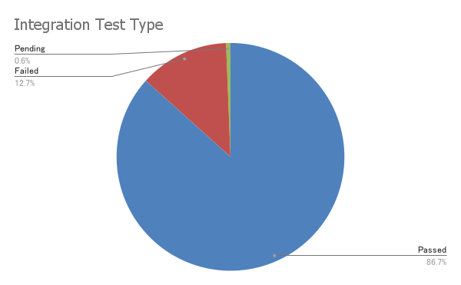
Integration Test Coverage Percent

